TEDB Edition 40
Figure 9.4. Share of Vehicle Trips to Work by Trip Distance, 2017 NHTS
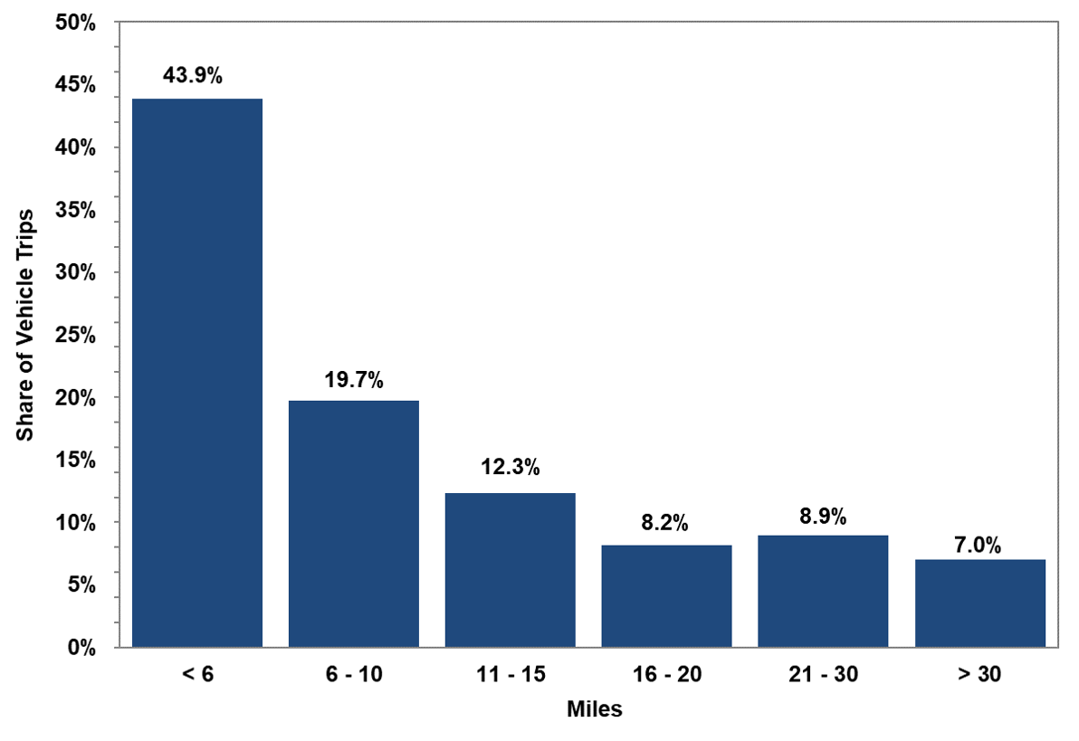

 |  | Share of
 | Miles | Vehicle Trips
 | < 6 | 43.9%
 | 6 - 10 | 19.7%
 | 11 - 15 | 12.3%
 | 16 - 20 | 8.2%
 | 21 - 30 | 8.9%
 | > 30 | 7.0%

 | Source:
 | Generated from the 2017 National Household Travel Survey website nhts.ornl.gov.

